APQP Workbook Summary
JLR Way Ref: JLR-HTG-122809 | | | Issue Level | 1.7 | | | Author | PBEDDOW1 | | | Issue Date | 2025-03-20 | |
New APQP Workbook

Overview
The APQP (Advanced Product Quality Planning) Workbook defines the internal JLR process for working with the supply base to launch quality parts withing the Commodity Creation Delivery System (CCDS).
Process
The process is governed by the following key principles:
Supplier launch success and achievement of PSW is the joint responsibility of the cross-functional Commodity Team.
The Commodity Team will formally evaluate status at minimum of 7 key team reviews.
The 7 meetings are based on clusters of APQP Deliverables that are linked to the CCDS process.
The Commodity Team must meet on a regular basis between the 7 key reviews at frequency to be identified by the team.
Supplier engagement with APQP will begin immediately after sourcing.
The Commodity Team will provide the supplier with as single Jaguar Land Rover voice on all launch matters.
Team engagement will continue until the supplier has successfully completed all APQP requirements and achieved PSW.
Timing for APQP reviews and deliverables is driven by the Commodity Plan and has been agreed by the commodity Team.
How each deliverable is produced and the standard to be met is described in the CCDS processes.
Which Version of APQP workbook should I Use?
New APQP workbook V2, supported by 3DEx system, should be used for all new Programmes following PCDS V4.
Legacy workbooks supported by eAPQP system can be found in JLR-HTG-122809.
Please refer to the CCDS Manual for further information.

(CCDS - APQP Workbook)
(CCD Manual)

Printed Copies are Uncontrolled

APQP Review Summary PCDS V4
JLR Way Ref: JLR-HTG-122809 | | | Issue Level | 1.7 | | | Author | PBEDDOW1 | | | Issue Date | 2025-03-20 | |
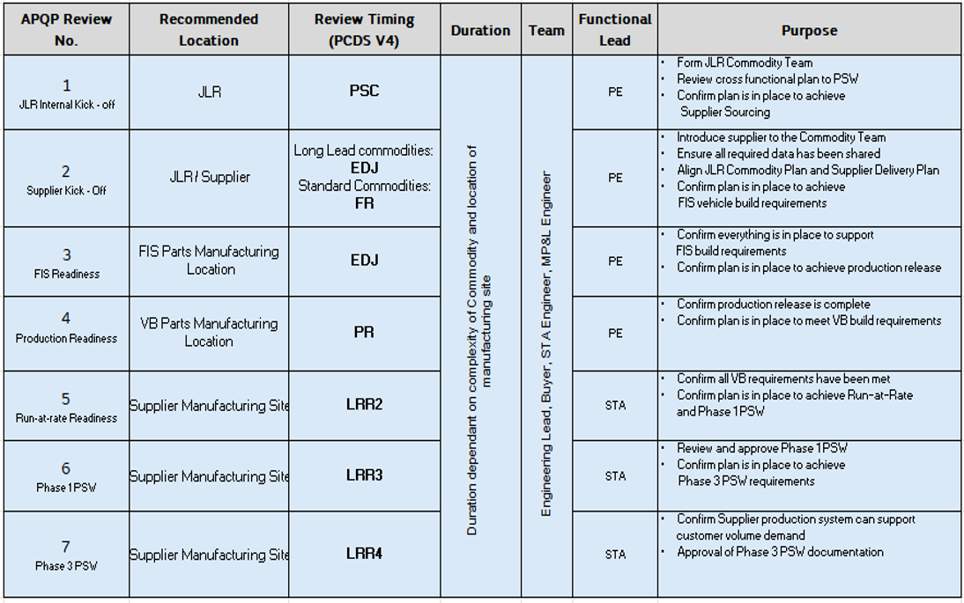

 |  | *** Additional Information:

 |  | 1. Information on LRR8:

 |  | 2. Kindly note - 3DX APQP tool is NOT a document repository tool.

Printed Copies are Uncontrolled

